Sheet1
 |  | Document No. | Issue No. | Issue Date |  |  | Review and Replace Date |  |  | Authorised By
 |  | GFF284MC | 3 | 09.06.2021 |  |  | 16.11.2021 |  |  | Magda Shah
 |  | Document Title | FISH PIE WITH SWEET POTATO MASH 400g
Document amendments reason for change |  | Film Updated |  | Page 1 of 1 |  | Previous Issue Date |  |  | 22.09.2021 | Uncontrolled copy unless signed original

FFPPM1-R8TMC | MINDFUL CHEF |  | FISH PIE WITH SWEET POTATO 400g | FROZEN
STEP 1 |  |  |  |  | STEP 2
 |  |  |  |  | 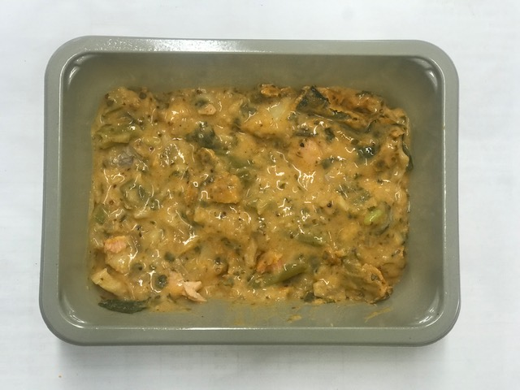

Tray: EVOLVE CPET 2171-1F FROST (PKRHP001-14) |  |  |  |  | FISH PIE MIX (GFF367R): 240g
Film: K Peel 3G 25µm (275mmX1000lm) (PKKMP001-04)
STEP 3
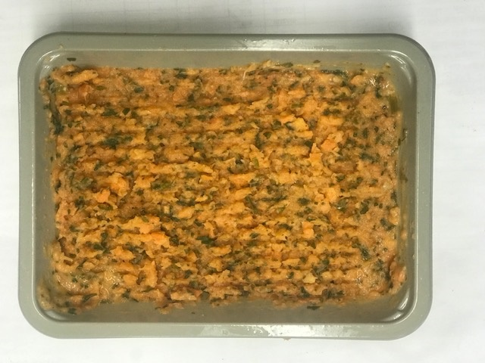

PACK DAY + 1 YEAR

PARSLEY SWEET POTATO MASH (GFF366R): 160g |  |  |  |  |  |  |  | TOTAL WEIGHT: 400g

ALLERGY ALERT: FISH, MUSTARD

